Sheet 1
Marc O'Polo Men Denim MAIN W26(1) MA09 Order status Report - Bulk Production |  |  |  |  |  |  |  |  |  |  |  |  |  |  |  |  |  |  |  |  |  |  |  |  |  |  |  |  |  |  |  |  |  |  |  |  | 2026-04-20
S.No | Buyer | Factory | Customer Season | Style No | Article No | Image | Style Description | Fabric Quality | Treatment | Buyer Po No | Color | Quantity |  | Original order received Dt | Etd Ex factory as per P.O | Factory Confirmed Dt | Trims Inhouse |  | Fabric Inhouse |  | PPS Submission |  |  | Cut Qty | Sewing Start |  | Sewing End |  | Sewing Qty | Inspection |  | Ex Factory Shipment |  |  | Shipped Qty | Balance Qty | Remarks
 |  |  |  |  |  |  |  |  |  |  |  | Col | Qty |  |  |  | Planned | Actual | Planned | Actual | Planned | Actual | PPS Approved |  | Planned | Actual | Planned | Actual |  | Planned | Actual | Planned | Actual | Extended
1 | MARC O'POLO INTERNATIONAL GMBH | WARSAW INTERNATIONAL | MA09 | DMJE FW26 09 1000000777 5000012876 | 1000000777 | 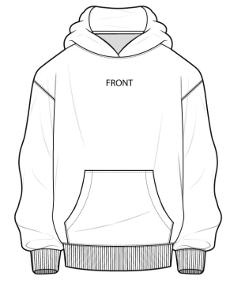 | CIRCULAR KNIT MENS SWEAT SHIRT | FRENCH TERRY/100% ORGANIC COTTON/12S/10S///13GG/500//FABRIC DYED + PANEL WASHED | FABRIC DYE + PANEL WASH | 7000018575, 7000018545, 7000018622, 7000018624, 7000018686 | 0361 LIGHT GRAPHITE | 498 | 498 | 13-FEB-2026 | 06-JUN-2026 | 19-MAY-2026 | 2026-03-30 | 2026-03-30 | 2026-03-18 | 2026-03-18 | 14-APR-2026 | 19-FEB-2026 | 19-FEB-2026 | 553 | 2026-04-11 | 2026-04-11 | 2026-04-13 | 2026-04-13 | 553 | 2026-04-25 |  | 06-JUN-2026 |  |  |  | -498 | BULK UNDER FINISHING
2 | MARC O'POLO INTERNATIONAL GMBH | WARSAW INTERNATIONAL | MA09 | DMJE FW26 09 1000000777 5000012855 | 1000000777 | 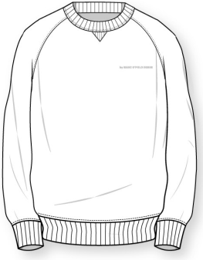 | CIRCULAR KNIT MENS SWEAT SHIRT | FRENCH TERRY/100% ORGANIC COTTON/12S/10S///13GG/500//FABRIC DYED + PANEL WASHED | FABRIC DYED + GARMENT WASH | 7000018572, 7000018542, 7000018618, 7000018680 | 0001 BLACK | 506 | 821 | 13-FEB-2026 | 06-JUN-2026 | 19-MAY-2026 | 2026-03-30 | 2026-03-30 | 2026-03-17 | 2026-03-14 | 14-APR-2026 |  | 2026-02-26 |  | 2026-04-20 |  | 2026-04-22 |  |  | 2026-04-27 |  | 06-JUN-2026 |  |  |  | -506 | BULK UNDER CUTTING
 |  |  |  |  |  |  |  |  |  |  | 1725 DOLPHIN | 315 |  |  |  |  |  |  |  | 2026-03-17 |  |  |  |  |  |  |  |  |  |  |  |  |  |  |  | -315
3 | MARC O'POLO INTERNATIONAL GMBH | WARSAW INTERNATIONAL | MA09 | DMJE FW26 09 1000000777 5000012868 | 1000000777 | 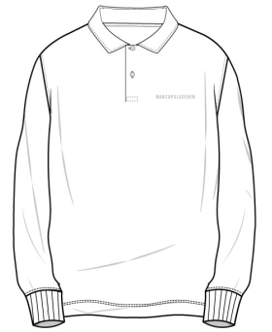 | CIRCULAR KNIT MENS SWEAT SHIRT | FRENCH TERRY/100% ORGANIC COTTON/12S/10S///13GG/500//FABRIC DYED + PANEL WASHED | FABRIC DYE + PANEL WASH | 7000018574, 7000018543, 7000018619, 7000018621, 7000018683 | 0001 BLACK | 628 | 984 | 13-FEB-2026 | 06-JUN-2026 | 19-MAY-2026 | 2026-04-02 | 2026-04-02 | 2026-03-18 | 2026-03-14 | 14-APR-2026 | 19-FEB-2026 | 19-FEB-2026 | 694 | 2026-04-14 | 2026-04-08 | 2026-04-15 | 2026-04-10 | 694 | 2026-04-25 |  | 06-JUN-2026 |  |  |  | -628 | BULK UNDER FINISHING
 |  |  |  |  |  |  |  |  |  |  | 0635 BASHED NICKEL | 356 |  |  |  |  |  |  |  | 2026-03-05 |  |  |  | 395 |  |  |  |  | 395 |  |  |  |  |  |  | -356
Grand Total |  |  |  |  |  |  |  |  |  |  |  |  | 2303 |  |  |  |  |  |  |  |  |  |  | 0 |  |  |  |  | 0 |  |  |  |  |  | 0 | -2303

